Table S2
Table S2 Representative microprobe analyses of plagioclases; Classification diagram of plagioclases.

Sample: | GZ-54 | GZ-51 | GZ-51 | GZ-51 | GZ-51 | GZ-51 | GZ-52 | GZ-43 | GZ-45 | GZ-42 | GZ-41a | GZ-41a | GZ-41a | GZ-41a | GZ-41a
An. N.: | 4 | 1 | 10 | 11 | 12 | 13 | 8 | 7 | 6 | 3 | 1 | 2 | 3 | 4 | 9
Mineral | Fsp | Fsp | Fsp | Fsp | Fsp | Fsp | Fsp | Fsp | Fsp | Fsp | Fsp | Fsp | Fsp | Fsp | Fsp
Tectonic U. (Age): | Zlatník Fm. (Pennsylvanian ) | Hrádok Formation (Mississippian) |  |  |  |  |  | Črmeľ Formation (Mississippian)

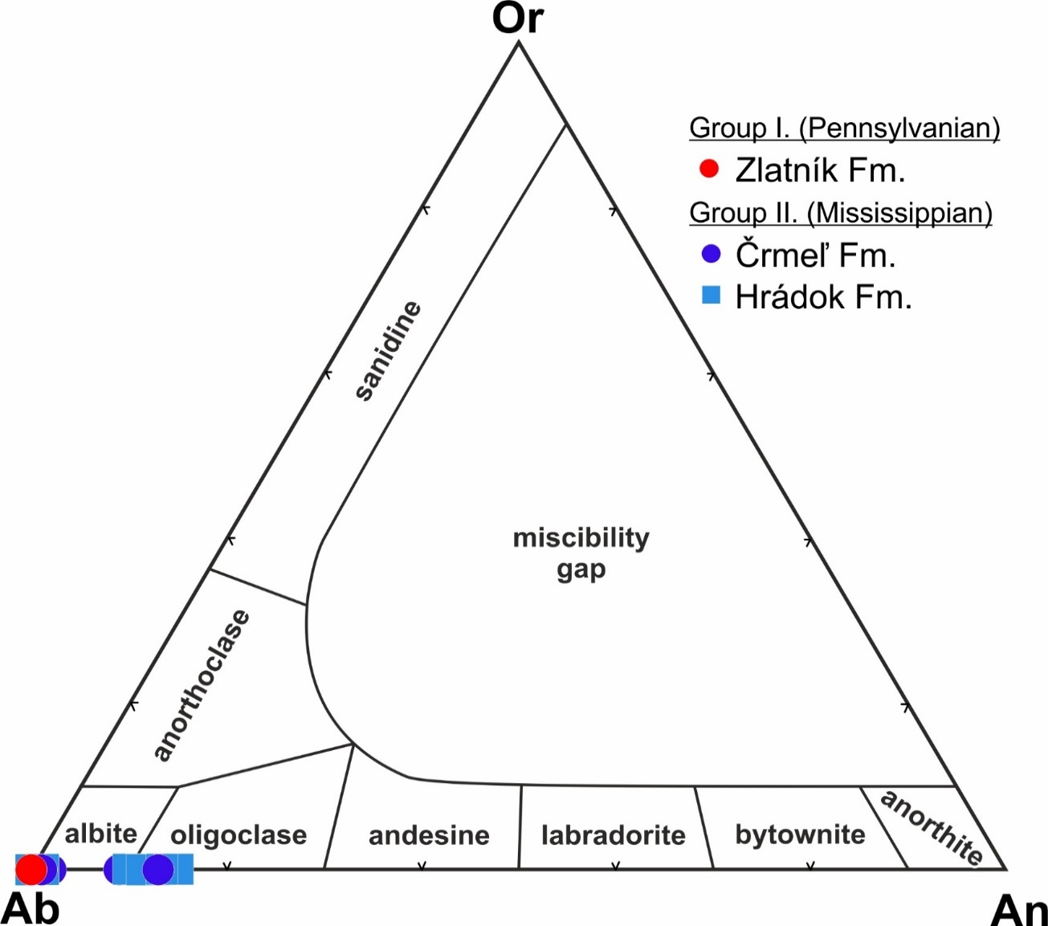
wt. %
SiO2 | 67.86 | 69.03 | 65.73 | 65.11 | 66.52 | 65.94 | 68.98 | 68.17 | 68.38 | 65.63 | 65.51 | 65.57 | 66.28 | 65.76 | 68.71
Al2O3 | 18.53 | 19.24 | 21.37 | 21.44 | 20.85 | 21.23 | 18.97 | 18.97 | 19.30 | 20.71 | 21.37 | 21.11 | 20.63 | 21.01 | 18.73
FeO | 0.20 | 0.09 | 0.05 | 0.03 | 0.04 | 0.03 | 0.16 | 0.40 | 0.25 | 0.28 | 0.10 | 0.02 | 0.06 | 0.09 | 0.24
MgO | 0.00 | 0.00 | 0.00 | 0.03 | 0.01 | 0.00 | 0.02 | 0.00 | 0.00 | 0.00 | 0.01 | 0.00 | 0.00 | 0.00 | 0.00
CaO | 0.05 | 0.22 | 2.82 | 3.06 | 2.10 | 2.68 | 0.09 | 0.18 | 0.45 | 0.17 | 2.78 | 2.34 | 1.97 | 2.65 | 0.11
SrO | 0.00 | 0.01 | 0.03 | 0.02 | 0.00 | 0.04 | 0.02 | 0.01 | 0.00 | - | 0.05 | 0.06 | 0.03 | 0.04 | 0.00
BaO | - | - | - | - | - | - | - | - | - | 0.01 | - | - | - | - | -
Na2O | 11.69 | 11.44 | 9.79 | 9.86 | 10.50 | 10.43 | 11.44 | 11.33 | 11.32 | 11.39 | 9.78 | 10.04 | 10.37 | 10.10 | 11.10
K2O | 0.02 | 0.05 | 0.08 | 0.08 | 0.08 | 0.05 | 0.04 | 0.07 | 0.07 | 0.07 | 0.05 | 0.05 | 0.05 | 0.06 | 0.04
Fe2O3* | 0.22 | 0.10 | 0.05 | 0.03 | 0.04 | 0.04 | 0.18 | 0.44 | 0.28 | 0.31 | 0.11 | 0.03 | 0.06 | 0.10 | 0.26
Total | 98.37 | 100.09 | 99.87 | 99.62 | 100.11 | 100.42 | 99.75 | 99.17 | 99.79 | 98.28 | 99.66 | 99.18 | 99.39 | 99.71 | 98.95
a.p.f.u. (Feldspar analyses calculated based on 8 oxygens)
Al | 0.932 | 0.979 | 1.111 | 1.126 | 1.078 | 1.101 | 0.978 | 0.985 | 0.996 | 1.029 | 1.111 | 1.076 | 1.057 | 1.092 | 0.972
Si | 2.896 | 2.981 | 2.899 | 2.902 | 2.917 | 2.902 | 3.017 | 3.004 | 2.995 | 2.766 | 2.888 | 2.836 | 2.882 | 2.899 | 3.025
Fe3+ | 0.006 | 0.003 | 0.002 | 0.001 | 0.001 | 0.001 | 0.005 | 0.013 | 0.008 | 0.009 | 0.003 | 0.001 | 0.002 | 0.003 | 0.008
Mg | 0.000 | 0.000 | 0.000 | 0.002 | 0.001 | 0.000 | 0.001 | 0.000 | 0.000 | 0.000 | 0.001 | 0.000 | 0.000 | 0.000 | 0.000
Ca | 0.002 | 0.010 | 0.133 | 0.146 | 0.099 | 0.127 | 0.004 | 0.009 | 0.021 | 0.008 | 0.131 | 0.108 | 0.092 | 0.125 | 0.005
Sr | 0.000 | 0.000 | 0.001 | 0.000 | 0.000 | 0.001 | 0.000 | 0.000 | 0.000 | - | 0.001 | 0.001 | 0.001 | 0.001 | 0.000
Ba | - | - | - | - | - | - | - | - | - | 0.000 | - | - | - | - | -
Na | 0.967 | 0.958 | 0.837 | 0.852 | 0.893 | 0.890 | 0.970 | 0.968 | 0.962 | 0.931 | 0.836 | 0.842 | 0.874 | 0.863 | 0.947
K | 0.001 | 0.003 | 0.004 | 0.005 | 0.004 | 0.003 | 0.003 | 0.004 | 0.004 | 0.004 | 0.003 | 0.003 | 0.003 | 0.003 | 0.002
Total | 5 | 5 | 5 | 5 | 5 | 5 | 5 | 5 | 5 | 5 | 5 | 5 | 5 | 5 | 5
Ab (mol. %) | 100 | 99 | 86 | 85 | 90 | 87 | 99 | 99 | 97 | 99 | 86 | 88 | 90 | 87 | 99
An (mol. %) | 0 | 1 | 14 | 15 | 10 | 12 | 0 | 1 | 2 | 1 | 14 | 11 | 9 | 13 | 1
Or (mol. %) | 0 | 0 | 0 | 0 | 0 | 0 | 0 | 0 | 0 | 0 | 0 | 0 | 0 | 0 | 0

